Defect_Report
Bug ID | Priority | Description | Pre-requisites | Tests to Reproduce | Expected Result | Actual Result | Status | Executed by | Broswer/ Device | Attachements | Comments
B001 | P1 | Verify whether user able to register his account with entering phone number less than 10 digits | Open the url and enter the url : https://kushitravels.com/signup.php | 1.Enter the test data in each input field. 2.Click on Register button. | User should get an error message to fill phone number field completely | User registered the account | Fail | Subhan | Chrome 124.06
B002 | P2 | Verify whether user able to register his account with entering numbers in contact name | Open the url and enter the url : https://kushitravels.com/signup.php | 1.Enter the test data in each input field. 2.Click on Register button. | User should get an error message to fill characters only | User registered the account | Fail | Subhan | Chrome 124.06
B003 | P2 | Verify whether user able to register his account with entering inappropraite email address | Open the url and enter the url : https://kushitravels.com/signup.php | 1.Enter the test data in each input field. 2.Click on Register button. | User should get an error message to insert correct format of email address. | User registered the account | Fail | Subhan | Chrome 124.06
B004 | P2 | Verify whether user able to get registration succesful message or not. | Open the url and enter the url : https://kushitravels.com/signup.php | 1.Enter the test data in each input field. 2.Click on Register button. | Should display successfully register the account message | No Confirmation message was displayed | Fail | Subhan | Chrome 124.06
B005 | P1 | Verify whether user able to book "Toyota - Etios" car | Open the url and enter the url : https://kushitravels.com/signup.php User logged in | 1.Select "our cars " field 2.Click on book on "Toyota - Etios" field 3.Choose local taxi 4.Select pick up city 5.Select pick up date 6.select drop off date 7.Select pick up time 8.Select drop off time 9.Click on Search button | Should be proceed to payment checkout page | Redirected to Login page | Fail | Subhan | Chrome 124.06 | 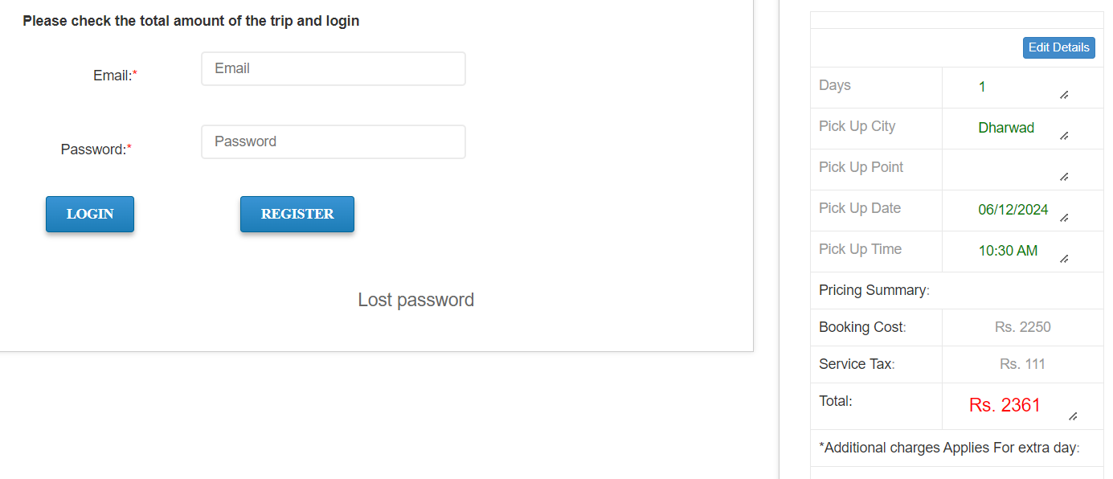
B006 | P1 | Verify whether user able to book "Maruti Suzuki" car | Open the url and enter the url : https://kushitravels.com/signup.php User logged in | 1.Select "our cars " field 2.Click on book on "Maruti Suzuki" field 3.Choose local taxi 4.Select pick up city 5.Select pick up date 6.select drop off date 7.Select pick up time 8.Select drop off time 9.Click on Search button | Should be proceed to payment checkout page | Redirected to Login page | Fail | Subhan | Chrome 124.06 | 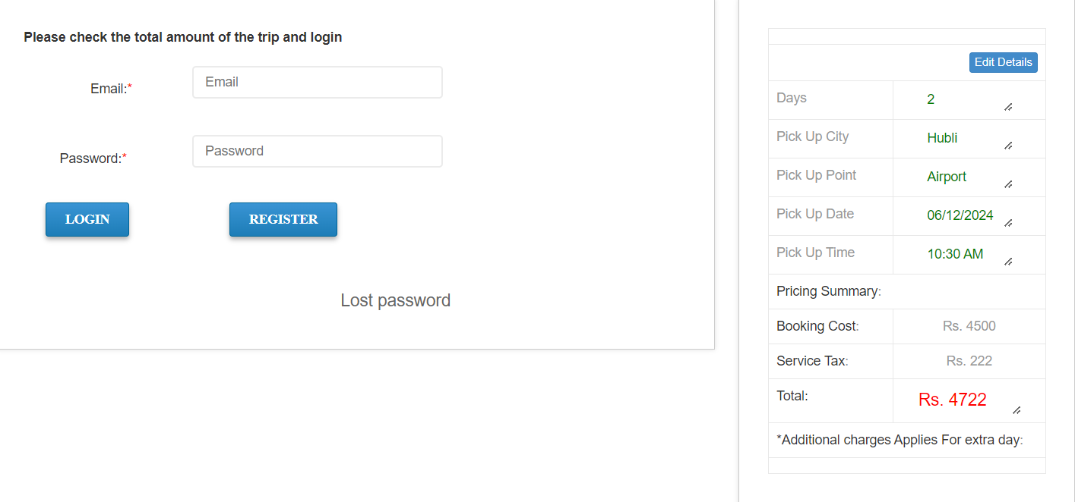
B007 | P0 | Verify whether user able to book "Toyota - Etios" car | Open the url and enter the url : https://kushitravels.com/signup.php | 1.Select "our cars " field 2.Click on book on "Toyota - Etios" field 3.Enter the details 4.Click on Search button 5.Enter credentials 6.Click on login 7.Click on "continue to booking" 8.Click on"confirm and pay" | Should be proceed to payment checkout page | Page isn't working | Fail | Subhan | Chrome 124.06 | 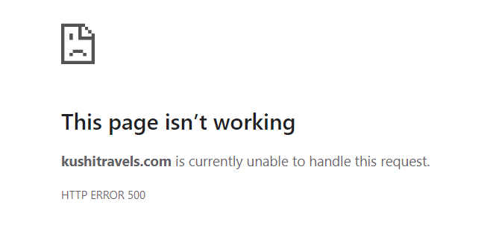
B008 | P1 | Verify whether user able to logout after booking an order | Open the url and enter the url : https://kushitravels.com/signup.php User logged in | 1.Select "our cars " field 2.Click on book on "Toyota - Etios" field 3.Enter the details 4.Click on Search button 5.Enter credentials 6.Click on login 7.Click on "continue to booking" 8.Click on Logout | User should be logged out | User didn’t logout instead a new home page tab was opened | FAIL | Subhan | Chrome 124.06 | 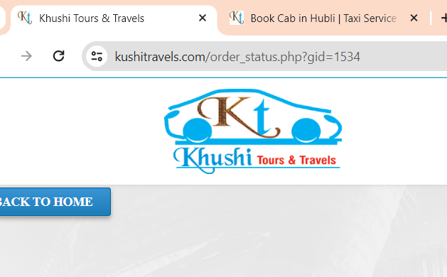
B009 | P1 | Verify whether user able to logout after logging in | Open the url and enter the url : https://kushitravels.com/login_error.php?oid=1599 | 1.Enter the credntials 2.Click on login button 3.Click on logout button | User should be logged out | User didn’t logout instead a new home page tab was opened | FAIL | Subhan | Chrome 124.06
B010 | P3 | Verify whether user able to Zoom in and Zoom out precisely | Open the url and enter the url : https://kushitravels.com/index.php | 1.Zoom in X 200 2.Zoom out X 100 | User should zoom in and zoom out precisely with ease. | Web page focus changed to bottom of the page after zoom operation | FAIL | Subhan | Chrome 124.06
B011 | P2 | Verify whether user able to find login functionality/Page easily on home page | Open the url and enter the url : https://kushitravels.com/index.php | Search for login functionality on home page | User should able to find login functionality on Home page | User shouldn't able to find login functionality on Home page | FAIL | Subhan | Chrome 124.06
B012 | P3 | Verify whether the web application providing detailed information about different types of services available | Open the brwoser and enter the url : https://kushitravels.com/index.php | NA | Web application should provide the information about services available | No deatil Information provided for available services | FAIL | Subhan | Chrome 124.06 | 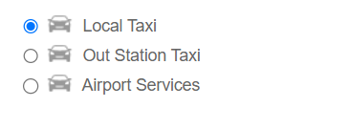
B013 | P3 | Verify whether user able to see confirmation summary clearly for booking "Toyota - Etios" car | Open the browser and enter the url : https://kushitravels.com/signup.php User logged in | Belgum Sadasiv Nagar 15-06-2024 15-06-2024 9 AM 5:30 AM | Application should display all the data in "Confirmation With Summary" | Application not displayed the data clearly in "Confirmation With Summary" | FAIL | Subhan | Chrome 124.06 | 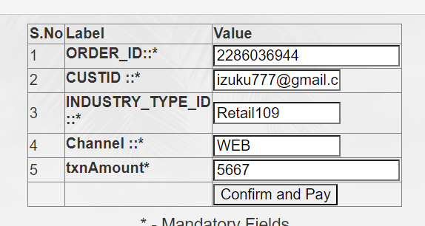
B014 | P1 | Verify whether user able to see an error message when pick up time entered greater than drop off time on same day | Open the browser and enter the url : https://kushitravels.com/signup.php Select Local taxi | Belgum 15-06-2024 15-06-2024 9 AM 5:30 AM | "Pick Up time cannot be greater than Drop off time" popup message should be displayed | List of vehicels are displayed | FAIL | Subhan | Chrome 124.06
B015 | P0 | Verify whether user able to book "Maruti Suzuki" car | Open the brwoser and enter the url : https://kushitravels.com/signup.php | Hubli Airport 15-06-2024 15-06-2024 9 AM 5:30 AM | Should be proceed to payment checkout page | Page isn't working | FAIL | Subhan | Chrome 124.06

